Sheet1
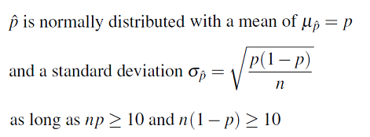

 |  |  | 1 | 1 | 1 | 1 | 1
 |  |  | x1 | x2 | x3 | x4 | x5
 | Y | Intercept | V8502 | V8512 | V8509 | V8530 | V7215 |  | Linear Equations |  |  |  |  |  | X1 | X2 | X3 | X4 | X5
Mean | 0.5 | 0 | 0.1299 | 0.2203 | 0.09739 | 0.1432 | 0.4157 |  | x1 | x2 | x3 | x4 | x5 |  | V8502 | V8512 | V8509 | V8530 | V7215
Coeff |  | -0.28009 | 0.5424 | 0.50231 | 0.85608 | -0.52468 | 0.24957 | 1 | 0.4849545972 | 0.4046634642 | 0.785718726 | -0.4365334668 | 0.1588361082 | 1 | 0.61891714621 | 0.59980759005 | 0.68691131961 | 0.392567284 | 0.53962575252
 |  |  |  |  |  |  |  | 0 | -0.0574454028 | -0.0976465358 | -0.070361274 | 0.0881465332 | -0.0907338918 | 0 | 0.48564259734 | 0.47560774434 | 0.48241693495 | 0.522022376 | 0.47733207632
 |  | b0 | b1 | b2 | b3 | b4 | b5

Predictor Effect Plots of response term based on fixed means of other predictor terms
 |  | n | 4980
 |  | V7118 | V8502 | V8512 | V8509 | V8514 | V8530 | V8505 | V7215 | V8536
 | Min. | 0 | 0 | 0 | 0 | 0 | 0 | 0 | 0 | 0
 | 1st Qu. | 0 | 0 | 0 | 0 | 0 | 0 | 0 | 0 | 0
 | Median | 0.5 | 0 | 0 | 0 | 0 | 0 | 0 | 0 | 0
 | Mean | 0.5 | 0.1299 | 0.2203 | 0.09739 | 0.25 | 0.1432 | 0.2289 | 0.4157 | 0.02048
 | 3rd Qu. | 1 | 0 | 0 | 0 | 0.25 | 0 | 0 | 1 | 0
 | Max. | 1 | 1 | 1 | 1 | 1 | 1 | 1 | 1 | 1

 |  | stdev | 0.0000 | 0.0000 | 0.0000 | 0.0000 | 0.0000 | 0.0000 | 0.0000 | 0.0000

